About
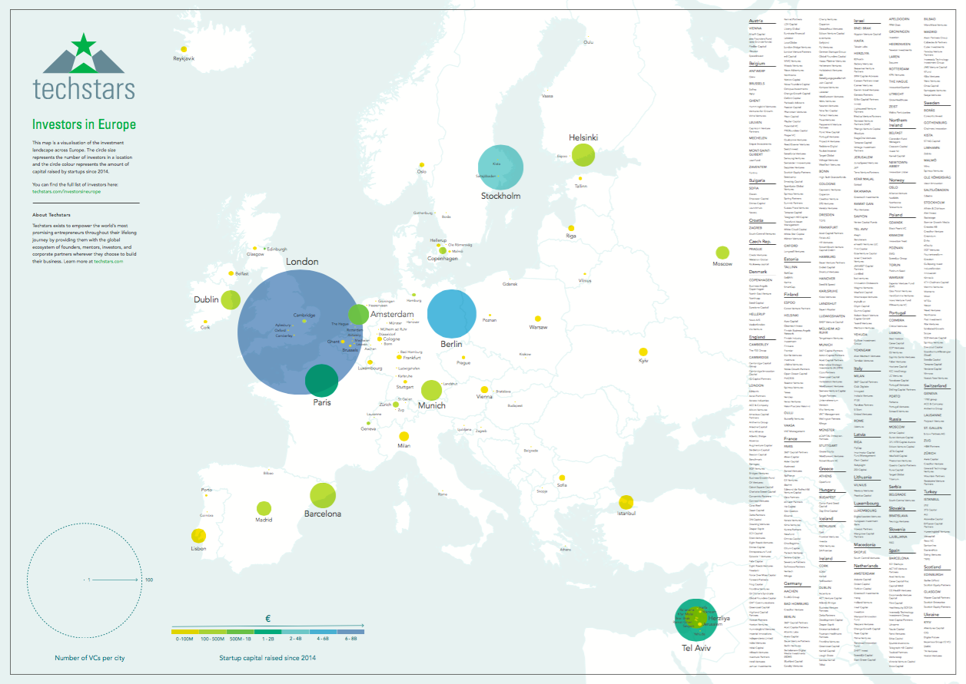
 Techstars -- Investors in Europe Database
Last Updated: 8/13/2019

About: | As the worldwide network that helps entrepreneurs succeed, Techstars strives to build and maintain resources to help the founder journey. This document is an actively managed list of the 550+ investors we are aware of in Europe. If you are a new firm or a firm that is not currently listed (and would like to be here), please email investorlist@techstars.com or kevin.liu@techstars.com and we will update the record accordingly

Current Count: | 597

Definition for inclusion:
We have included in this list and associated map the following investors:
"Investors who routinely lead Seed, Series A or Series B rounds in European startups"
It includes investors located in Europe, as well as non-European investors who frequently invest here.
The list is work in progress and we are looking to add investors over time and keep it up to date
We have excluded individuals, pre-seed investors, crowd funding sites, and public sector programs from this list.

About us | Website | City | Country | Routinely initially invest in Pre-Seed rounds | Routinely initially invest in Seed rounds | Routinely initially invest in Series A rounds | Routinely initially invest in Series B rounds | Country only focus (e.g. UK only) | Sector only focus (e.g. Only SAAS, Only Fintech) | Type | Comment
Techstars | www.techstars.com/ | Berlin | Germany | Pre-Seed | No | No | No | Global | Lots of different verticle programs | Accelerator | Techstars is the global ecosystem that helps entrepreneurs build great businesses

Some definitions
Seed | Investments in the €500k-€3m range
Series A | First €5m+ investment into a company
Series B | Second €5m+ investment into a company
VC | Invests money of third party investors. Typically via a fund structure
Family office | Invests the money of one or multiple private individuals or families. Typically not a fund structure.
Corporate VC | Invests cash of an operating company. Can either invest cash from the balance sheet or can have a fund structure.
Operating Investor | An operating company that exists for the purpose of making investments. |  |  |  | Any Questions?
Angel Club | Group of angels that invests in a structured, joined fashion |  |  |  | investorlist@techstars.com

